analysis
Gain Set on Vishay for Bolt and Washer (Dimensionless) | 400 |  |  | Threaded Section Length |  |  |  | Bolt Total Length
Shunt Calibration for Bolt and Washer (Volts) | 0.343 |  |  | 3.023 | mm |  |  | 63.5 | mm
Bridge Excitation (Volts) | 5
Bolt Diameter (inch) | 0.375 |  | 9.525 | mm
Length of Joined Members (mm) | 75
Gauge Factor | 2
Bolt Body Outer Diameter | 0.371 | in | 9.4234 | mm
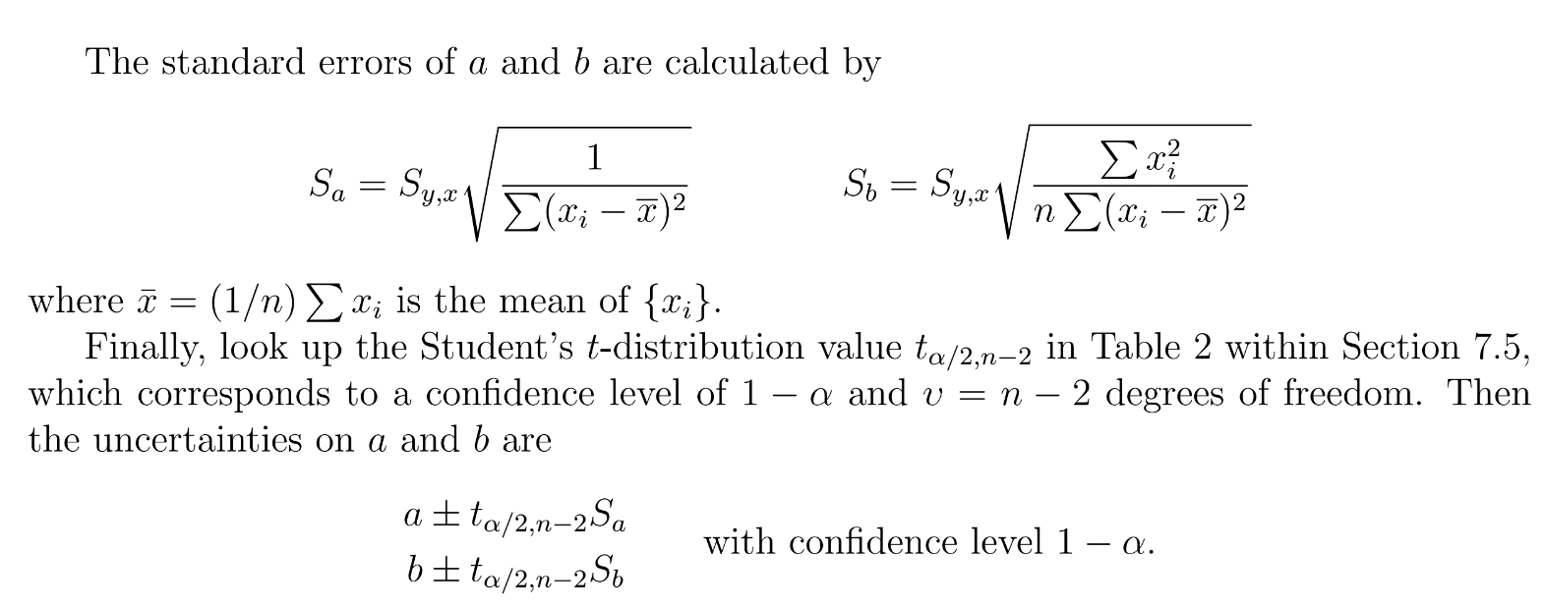
Bolt Body Inner Diameter | 0.155 | in | 3.937 | mm
Bolt Body Cross Sectional Area of 0.910 | 57.570076945 | mm^2
Bolt Body Cross Sectional Area of 1.471 | 69.74372413 | mm^2
Bolt Body Cross Sectional Area of Threaded Section | 71.255739248 | mm^2
Gauge Resistance | 120 | Ω
Shunt Resistance | 175000 | Ω
Number of Active Arms | 1

Bolt Stiffness and Washer Calibration (Nut Finger Tight) |  |  |  |  |  |  | linest for bolt strain |  |  | error prop for E
External Load | Bolt Out | Washer Out | Bolt Strain |  | slope |  | 8.47E-05 | 0 |  | 95% confidence t-value | 2.3646
0 | 0.006 | -0.003 | 6.00E-06 |  | slope err (S_a) |  | 8.205666011E-07 | #N/A |  | slope err | 1.94E-06
1 | 0.085 | -0.212 | 8.50E-05 |  |  |  | 0.99924995414 | 1.1495256568E-05 |  | E err | 4.70
2 | 0.168 | -0.441 | 1.68E-04 |  |  |  | 10658.014448 | 8
3 | 0.253 | -0.667 | 2.53E-04 |  |  |  | 1.4083598726E-06 | 1.0571273885E-09
4 | 0.335 | -0.888 | 3.35E-04
5 | 0.417 | -1.08 | 4.17E-04 |  | E |  | 205.046 | Q1
6 | 0.498 | -1.27 | 4.98E-04 |  |  |  | linest for washer out
7 | 0.581 | -1.46 | 5.81E-04 |  | slope |  | -0.211 | 0
7.5 | 0.662 | -1.547 | 6.62E-04 |  |  |  | 0.0018919918739 | #N/A
 |  |  |  |  |  |  | 0.99935968559 | 0.026504773636
 |  |  |  |  |  |  | 12485.862207 | 8
 |  |  |  |  |  |  | 8.7713559758 | 0.0056200242038

 |  |  |  |  | epsilon (coefficient for y = ax) |  | -2.11E-04
 |  |  |  |  | epsilon_{eq} |  | 0.00034262220192 | q2
 |  |  |  |  | correction factor |  | -0.40070379253
External Load | Torque, $T$ (in-lb) | Torque, $T$ (Nm) | Bolt Transducer, $V_b$ | Washer Transducer, $V_w$ | Bolt Strain, $\epsilon_b$ | Preload, $F_i$ (kN) | Preload Err | %err |  | linest for Preload vs Torque
0 | 0 | 0 | -0.002 | -0.001 | -2.00E-06 | -0.0236 | 0.366 | -1551.2726855 | [kN/Nm] | 0.63576255935 | 0
0 | 25 | 2.825 | 0.140 | -0.311 | 1.40E-04 | 1.65 | 0.368 | 22.279066151 |  | 0.0066107414152 | #N/A
0 | 50 | 5.649 | 0.294 | -0.615 | 2.94E-04 | 3.47 | 0.375 | 10.798572799 |  | 0.99945968661 | 0.13848146747
0 | 75 | 8.474 | 0.447 | -0.907 | 4.47E-04 | 5.28 | 0.386 | 7.3089724837 |  | 9248.8887861 | 5
0 | 100 | 11.298 | 0.602 | -1.203 | 6.02E-04 | 7.11 | 0.401 | 5.6397793669 |  | 177.36702082 | 0.095885584159
0 | 125 | 14.123 | 0.778 | -1.519 | 7.78E-04 | 9.18 | 0.422 | 4.5988184353 |  | Torque Coeff | 0.167 | Q3

 | Length of section, $L$
bolt stiffness | (in) | (mm) | Cross Sectional Area, $A_s$ (mm^2) | Stiffness, $k$ (MN/m) | 1/k (m/MN)
k_1 | 0.91 | 23.114 | 57.570076945 | 511 | 0.0019580649682
k_2 | 1.471 | 37.3634 | 69.74372413 | 383 | 0.0026127030604
k_3 | 0.119 | 3.0226 | 71.255739248 | 4834 | 0.00020687576945

k_b | 209 | MN/m
k_m, th | 2222.77 | MN/m

No Gasket
Nut Torque | 60 | in-lb | 6.77908976 | Nm
Shakedown Test
 | External Load | Bolt Out | Washer Out | Bolt Strain | Bolt Force |  |  | preseperation |  | post seperation
Without Gasket | 0 -> 7.5 -> 0 | 0.386 | -0.731 | 0.000386 | 4.5565413534 |  |  | linest for boltforce vs external
Without Gasket | 0 -> 7.5 -> 0 | 0.382 | -0.72 | 0.000382 | 4.5093233083 |  |  | 0.11568421053 | 4.5022406015 | 0.86873199949 | 0.75068688671
Without Gasket | 0 -> 7.5 -> 0 | 0.381 | -0.715 | 0.000381 | 4.497518797 |  |  | 0.0027261351056 | 0.0066776399787 | 0.039693879292 | 0.25590241004
Without Gasket | 0 | 0.382 | -0.72 | 0.000382 | 4.5093233083 |  |  | 0.99833679834 | 0.0086207961432 | 0.9958418913 | 0.076223618035
Without Gasket | 1 | 0.391 | -0.751 | 0.000391 | 4.6155639098 |  |  | 1800.75 | 3 | 478.9879065 | 2
Without Gasket | 2 | 0.4 | -0.783 | 0.0004 | 4.7218045113 |  |  | 0.13382836565 | 0.00022295437843 | 2.7829388706 | 0.011620079893
Without Gasket | 3 | 0.411 | -0.818 | 0.000411 | 4.8516541353
Without Gasket | 4 | 0.421 | -0.855 | 0.000421 | 4.9696992481 |  |  | k_m, exp | 1600
Without Gasket | 5 | 0.436 | -0.901 | 0.000436 | 5.1467669173 |  |  | Err exp/th | 28.017957915 |  | gasket quadratic
Without Gasket | 6 | 0.498 | -1.068 | 0.000498 | 5.8786466165 |  |  |  |  |  | 0.047547767284 | 0.11901225969 | 3.7939828363
Without Gasket | 7 | 0.578 | -1.226 | 0.000578 | 6.8230075188 |  |  | Seperation point, exp |  |  | 0.0037332453861 | 0.029709926734 | 0.048237239667
Without Gasket | 7.5 | 0.619 | -1.3 | 0.000619 | 7.3069924812 |  |  | P_exp | 4.98 | kN | 0.99851197217 | 0.05840317935 | #N/A
With Gasket | 0 -> 7.5 -> 0 | 0.327 | -0.54 | 0.000327 | 3.860075188 |  |  | F_sep | 5.08 | kN | 2013.0913215 | 6 | #N/A
With Gasket | 0 -> 7.5 -> 0 | 0.323 | -0.534 | 0.000323 | 3.8128571429 |  |  |  |  |  | 13.733032631 | 0.020465588149 | #N/A
With Gasket | 0 -> 7.5 -> 0 | 0.321 | -0.53 | 0.000321 | 3.7892481203 |  |  | Seperation point, th
With Gasket | 0 | 0.315 | -0.528 | 0.000315 | 3.7184210526 |  |  | C_th | 0.086 |  | gasket linear
With Gasket | 1 | 0.344 | -0.593 | 0.000344 | 4.0607518797 |  |  | F_i | 4.26 |  | 0.484171595 | 3.3904376059
With Gasket | 2 | 0.358 | -0.674 | 0.000358 | 4.2260150376 |  |  | P_th | 4.67 |  | 0.038182466585 | 0.17829844614
With Gasket | 3 | 0.389 | -0.766 | 0.000389 | 4.5919548872 |  |  |  |  |  | 0.95828225429 | 0.28629778238
With Gasket | 4 | 0.426 | -0.856 | 0.000426 | 5.0287218045 |  |  | Seperation point err |  |  | 160.79430145 | 7
With Gasket | 5 | 0.469 | -0.941 | 0.000469 | 5.5363157895 |  |  | Err exp/th | 6.78 |  | 13.179733278 | 0.57376494139
With Gasket | 6 | 0.524 | -1.036 | 0.000524 | 6.1855639098
With Gasket | 7 | 0.589 | -1.148 | 0.000589 | 6.9528571429 |  |  |  |  |  | 222.99348729
With Gasket | 7.5 | 0.627 | -1.212 | 0.000627 | 7.4014285714

Repeatability at 50 lb-in torque (no external load)
 | Trial 1 | Trial 2 | Trial 3 | Trial 4 | Trial 5 |  |  | stdev bolt | 0.025
Bolt | 0.372 | 0.321 | 0.354 | 0.312 | 0.327 |  |  | stdev washer | 0.024
Washer | -0.701 | -0.684 | -0.718 | -0.654 | -0.679 |  |  | t-dist | 2.7764451052
 |  |  |  |  |  |  |  | P_b | 0.031
 |  |  |  |  |  |  |  | B_b | 0.001
 |  |  |  |  |  |  |  | delta E_o | 0.031
 |  |  | Bolt | Washer
 |  | Trial 1 | 0.372 | -0.701
 |  | Trial 2 | 0.321 | -0.684
 |  | Trial 3 | 0.354 | -0.718
 |  | Trial 4 | 0.312 | -0.654
 |  | Trial 5 | 0.327 | -0.679

 | Torque | max_stress | min_stress | mean_stress | alternating_stress
With Gasket | 0 | 105.035 | 61.804 | 83.420 | 21.615
With Gasket | 60 | 110.300 | 88.864 | 99.582 | 10.718
With Gasket | 75 | 124.101 | 110.488 | 117.295 | 6.806
With Gasket | 125 | 174.584 | 167.250 | 170.917 | 3.667
No Gasket | 0 | 105.330 | 62.098 | 83.714 | 21.616
No Gasket | 60 | 106.347 | 84.153 | 95.250 | 11.097
No Gasket | 75 | 108.671 | 101.337 | 105.004 | 3.667
No Gasket | 125 | 166.652 | 163.258 | 164.955 | 1.697

 | Torque | max_stress | min_stress | mean_stress | alternating_stress
 | (in-lb)
0 lbs gasket | 0 | 105.035 | 61.804 | 83.420 | 21.615
60 lbs gasket | 60 | 110.300 | 88.864 | 99.582 | 10.718
75 lbs gasket | 75 | 124.101 | 110.488 | 117.295 | 6.806
125 lbs gasket | 125 | 174.584 | 167.250 | 170.917 | 3.667
0 lbs nogasket | 0 | 105.330 | 62.098 | 83.714 | 21.616
60 lbs nogasket | 60 | 106.347 | 84.153 | 95.250 | 11.097
75 lbs nogasket | 75 | 108.671 | 101.337 | 105.004 | 3.667
125 lbs nogasket | 125 | 166.652 | 163.258 | 164.955 | 1.697

